Table 17
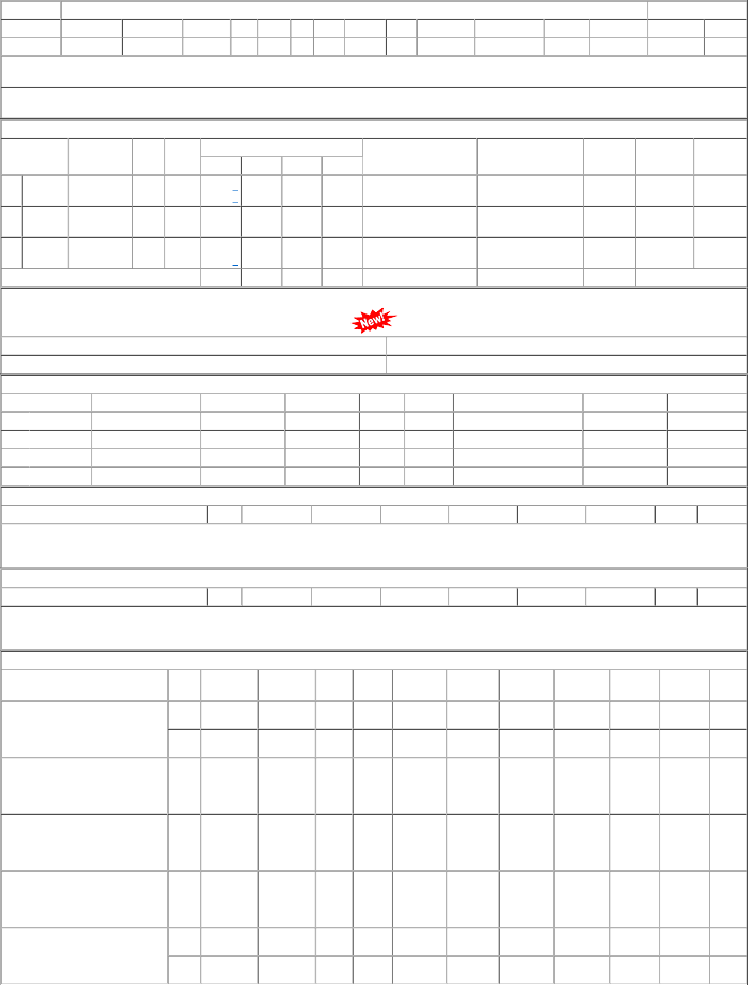
P.O.No.15211052100363 dt.21/01/22 on M/s.BALAJI INDUSTRIES-HOWRAH PO- CAT:[ Reg ] P.O.No.52211527801302 dt.25/11/21 on M/s.Principal Chief Materials Manager, Jabalpur PO-CAT:[ Reg ] P.O.No.52211519801264 dt.15/11/21 on M/s.PCMM Office, Central Railway, Mumbai - 400001 PO-CAT:[ Reg ] P.O.No.52211384800904 dt.24/08/21 on M/s.PCMM Office, Central Railway, Mumbai - 400001 PO-CAT:[ Reg ] P.O.No.15211052103022 dt.05/07/21 on M/s.BISWA KAMAL INDUSTRIES- KOLKATA PO-CAT:[ Reg ] | 001 002 001 001 001 001 002 | PL-CR BVPW PL-CR PL-CR PL-CR PL-CR BVPW | 365.80 377.60 357.41 357.41 357.41 336.00 336.00 | 600 40 200 50 200 369 40 | Nos. 0 Nos. 0 Nos. 0 Nos. 0 Nos. 0 Nos. 0 Nos. 0 | 0 570 0 38 0 180 0 25 0 200 0 370 0 40 | 10/07/22 10/07/22 25/01/22 15/01/22 24/10/21 31/05/22 31/05/22 | 01/04/22 10/07/22 OP 01/04/22 10/07/22 OP 26/11/21 25/01/22 OP 16/11/21 15/01/22 OP 25/08/21 24/10/21 OP 19/11/21 31/05/22 OP 01/12/21 31/05/22 OP

